Modify_BTW
 | Name | Status | Not mapped field | Verified | New JSON Fields
10001 | McMast | Dean modified(Check in which folder is the latest). |  | Y
10002 | GraingerBat | Shaun finished |  | Y
10003 | MSCLBLorg | Finished |  | Y
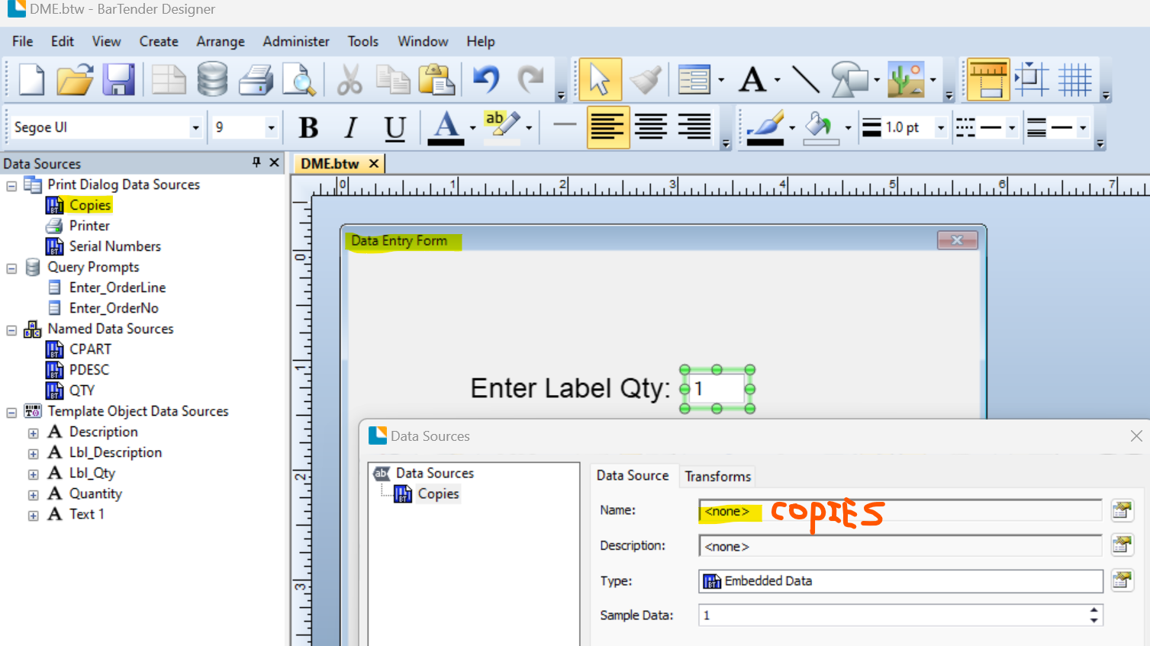
10004 | 86811sc | Shaun finished |  | Y
10007 | Fastenal_GS1 | Shaun finished |  | Y
10017 | Marathon | Finished |  | Y
10032 | Malipil | Shaun finished |  | Y | WHLOC, SPECMARK
10034 | DME | Shaun finished |  | Y
10057 | BILCOBOX | Shaun finished. |  | Y
14928 | CATBOX13 | Shaun finished |  | Y | ECNUM
14929 | CATBOX12 | Shaun finished |  | Y | ECNUM
15190 | CATBOX11 | Shaun finished |  | Y | ECNUM
15192 | CATBOX10 | Shaun finished |  | Y | ECNUM
 | STDRECEV | Shaun finished |  | Y
 | STDPCK | Shaun finished |  | Y
 | CATBOX9 | Partial finished | A, B, G, K not mapped, SUPPID replaced 'Suplier code'
 | CATBOX8 | Partial finished | A, B, G, K not mapped, SUPPID replaced 'Suplier code'
 | CATBOX7 | Partial finished | A, B, G, K not mapped, SUPPID replaced 'Suplier code'
 | CATBOX6 | Partial finished | A, B, G, K not mapped, SUPPID replaced 'Suplier code'
 | CATBOX5 | Partial finished | A, B, G, K not mapped, SUPPID replaced 'Suplier code'
 | CATBOX4 | Partial finished | A, B, G, K not mapped, SUPPID replaced 'Suplier code'
 | CATBOX3 | Partial finished | A, B, G, K not mapped, SUPPID replaced 'Suplier code'
 | CATBOX2 | Partial finished | A, B, G, K not mapped, SUPPID replaced 'Suplier code'
 | CATBOX1 | Partial finished | A, B, G, K not mapped, SUPPID replaced 'Suplier code'
 | Grainger2 | Did not delete database fields | Need test print the Barcode and QR code
 | PACCAR_03( 02, 01) | Shaun finished 03
 | PACFR1 | Mapped CPART, PDESC and LOTNO
 | 1240T02 | Mapped PARTNO, CPART, LOTNO, DATE | SUPPlier code, others are static text?
 | SR10 | Finished.
 | Fastenal | BTW file missing fields
 | C6260931 | PARTNO (Also added TXT 'P/N'), LOTNO | Patent No
 | MStruts6 | Mapped PARTNO, CPART, LOTNO, other content is static?
 | AMTAB1 | Finished, only renamed three previous field to PARTNO, CPART, LOTNO
 | 1240T08 | Similar as 1240T02
 | 1240T06 | Similar as 1240T02
 | MStruts6_QuickFix | Finished
 | MSCLBL | Finished
 | MSC Product Label Sample_PRD | Finished
 | MSC Product Label Sample2 | Finished
 | MSC Product Label Sample | Finished
 | 86811$P | Finished.
 | THOMAS5D | Partial finished. VH122 & S1761 relationship. TBB Dock#, line num. | There are two date fields
 | THOMAS5E | Partial finished. VH122 & S1761 relationship. TBB Dock#, line num. | There are two date fields
 | THOMAS5G | Partial finished. VH122 & S1761 relationship. TBB Dock#, line num. | There are two date fields
 | WHSEREC | Finished. Changed LOTCODE to LOTNO
 | PNQTY2X4 | Finished.
 | GET001 | Finished | Need another Date field for Expiration Date?
 | C4687955 | Finished. Not sure if P/N should be PARTNO or CPART. | Patent No not mapped.
 | L716053A | Finished
 | L716052A | Finished
 | Producto | Finished
 | Karin | Finished but has a field MMITDS, which seems to be the item_desc, not mapped
 | C6000836 | Finished. Not sure if P/N should be PARTNO or CPART. | Patent No not mapped.
 | LOWES1 | Finished
 | Die Spring Label Sample_PRD2 | Finished. A picture was put outside of the page, not sure why.
 | DIESPGLBL3 | Finished
 | Produto-Dieco | Finshed. Not seem to be in use, objects are too small.
 | MCS Product Label Sample_PRD | Finished
 | Die Spring Label Sample_PRD | Finished
 | STDSPECM | Finished
 | PACFR2 | Finished. Not sure if the PDESC and PARTNO mapped correctly
 | FLOWCELL | No Change, one text and one barcode, hard to tell which field to map.
 | shelfLabel | No Change, one text and one barcode, hard to tell which field to map.
 | DIESPGLBL | Finished
 | MSL712 | Finished
 | C4869023 | Finished. Not sure if P/N should be PARTNO or CPART. | Patent No not mapped.
 | 10950002 | Finished. Need check if Supplier Code is SUPPID.
 | 2841901 | Only two fields without TXT in front, mapped to LOTNO and PARTNO
 | 2841902 | Only two fields without TXT in front, mapped to LOTNO and PARTNO
 | 2841903 | Only two fields without TXT in front, mapped to LOTNO and PARTNO
 | 2841904 | Only two fields without TXT in front, mapped to LOTNO and PARTNO
 | 2841905 | Only two fields without TXT in front, mapped to LOTNO and PARTNO
 | Die Spring Label Sample | Finished.
 | MCS Product Label Sample | Finished.
 | GR113297 | Partial finished. PK 10, (1), and barcode in middle not mapped.
 | 284190-05 | No change for this one. May not be in use. Double check later.
 | MStruts7 | No change for this one. May not be in use. Double check later.
 | NAVISTR2 | Finished. There is a text '73572', not sure what is that, static text?
 | 1050004 | Finished. Double check SUPPID.
 | NAV228A | Finished.
 | NAV128A | Finished.
 | 95306T | Finished. Only one field. Mapped to CPART.
 | MStruts5 | No change for this one. May not be in use. Double check later.
 | Printer | This one seems not related to the labels. No change.
 | DIESPGLBL2 | Looks like static text, double check later.
 | 95306DE3 | Changed AMWHA1/2 to CADDR1/2 | Barcode Packing Slip, UPC, Carton#
 | 95306DE2 | Changed AMWHA1/2 to CADDR1/2 | Barcode Packing Slip, UPC, Carton#
 | 95306DE1 | Changed AMWHA1/2 to CADDR1/2 | Barcode Packing Slip, UPC, Carton#
 | MACK50GS | partial finished. | MFR# BARNES SPD not mapped
 | MACK50BR | partial finished. | MFR# BARNES SPD not mapped
 | 1465T11 | Finished. | Supplier code -> SUPPID
 | 1465T10 | Finished. | Supplier code -> SUPPID
 | 1465T09 | Finished. | Supplier code -> SUPPID
 | 1240T11 | Finished. | Supplier code -> SUPPID
 | 1240T10 | Finished. | Supplier code -> SUPPID
 | 1240T07 | Finished. | Supplier code -> SUPPID
 | 1240T05 | Finished. | Supplier code -> SUPPID
 | CUSTLABX | Finished.
 | 7087 | Partial finished. | Packing slip, Release#, line # not mapped
 | PrinteBarcode | No change, only one text with one barcode, not meaningful.

